1. Title Page
[Analysis of Grocery Basket]

Project Name: Analysis of Grocery Basket
Date: 07/10/2022
Analyst Name: Manisha Shah

Contents:
Population Flow
Consistency checks
Wrangling steps
Column derivations
Visualizations
Recommendations

Objective:
Instacart already has very good sales, but they want to uncover more
information about their sales patterns. Your task is to perform an initial data and exploratory
analysis of some of their data in order to derive insights and suggest strategies for better
segmentation based on the provided criteria

Context:
The Instacart stakeholders are most interested in the variety of customers in their database
along with their purchasing behaviors. They assume they can't target everyone using the same
methods, and they’re considering a targeted marketing strategy. They want to target different
customers with applicable marketing campaigns to see whether they have an effect on the sale
of their products. Your analysis will inform what this strategy might look like to ensure Instacart
targets the right customer profiles with the appropriate products.

2. Population Flow
Title page

Population flow

Exclusion flag
Condition: max_order <
Obervations to be removed:
Final total count of order_products_all:

Orders_products_combined
Orders_products_merged
Orders_products_all

Total: 32,640,698
Total: 32,640,698
Total: 32,640,698

1.) The grey boxes in the first row of the population flow represent the original data sets as they were when you downloaded them. In the Total fields you need to add the count of the rows when you imported the data set into Jupyter.
2.) The second row of boxes (coloured) represents the data sets after you manipulated them, e.g., removed missing values and duplicates. In the Total fields you need to add the count of the rows after conducting these operations. This offers a visual oveview of how the data flows throughout the data consistency checks.
3.) The third row, where also the arrows are coloured, represents the merges you performed between the datasets. In the Total fields you need to add the count of the rows in the merged datasets, so that you end up with the final dataset (in the red box). Keep in mind the final dataset should be without exclusions (based on the exclusion flag).

3. Consistency checks
 |  |  |  | Title page
Consistency checks

Dataset | Missing values | Missing values treatment | Duplicates
orders | days_since_prior_order - 206,209 missing values | flag created
products | product name - 16 missing values | created a new dataframe | 5
orders_products_prior | no missing values | no missing values
customers

4. Wrangling steps
 |  |  |  | Title page
Wrangling steps

Columns dropped | Columns renamed | Columns' type changed | Comment/Reason
"eval_set" dropped |  |  | dropped because this column was not needed
"First_name" dropped |  |  | dropped because contained PII
"Last_name" dropped |  |  | dropped because contained PII
 | order_dow changed to "orders_day_of_week" |  | order_dow was confusing to understand
 | First_name changed to "first_name" |  | Made to look consistent
 | Surnam changed to "last_name" |  | Made to look consistent
 | Gender changed to "gender" |  | Made to look consistent
 | STATE changed to "state" |  | Made to look consistent
 | Age changed to "age" |  | Made to look consistent
 | n_dependants changed to "number_of_dependants" |  | Made to look consistent

5. Column derivations
 |  |  |  | Title page

Column derivations and aggregations

In this tab you should add tables below that the frequences of flags/label variables that you produced after deriving them. NB: don't do this for continuous variables, only for flags.
Dataset | New column | Column/s it was derived from | Conditions
ords_prods_merge | price_range_loc | prices | low range product, mid range product, high range product
ords_prods_merge | busiest day | orders_day_of_week | slowest day,regularly busy, busiest day
ords_prods_merge | busiest hour | order_hour_of_day | fewest orders, average orders, most orders
ords_prods_merge | loyalty flag | max_order | regular customer, new customer, loyal customer
df_merged | region | state | customers were grouped together base on the four regions: West, South, Midwest and Northeast
df_merged | exclusion flag | max_order | low activity, normal activity groups created based on customers orders
df_merged | age_list | age | Ages were grouped into 10 year intervals
df_merged | income_list | income | Income was grouped into $25,000 intervals

6. Visualizations
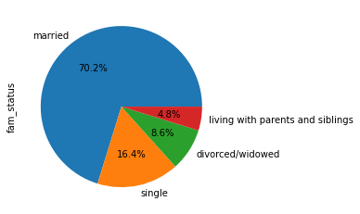
 | Title page

Visualisations

In this tab you should include all the visualtions from Exercises 4.9 and 4.10, alongside the questions from the project brief that they answer. Include any commentary on the relationship between different variables.

1. The sales team needs to know what the busiest days of the week and hours of the days are.

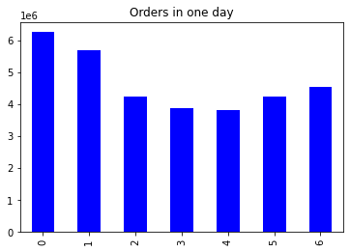

2. They also want to know whether there are particular times of the day when people spend the most money, as this might inform the type of products they advertise at these times

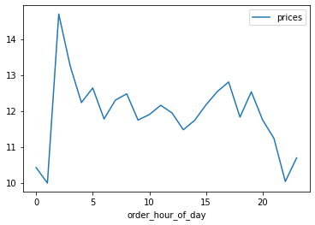
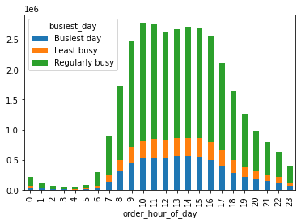

3. Instacart has alot of products with different price tags. Marketing and sales want to use simpler price range groupins to help direct their efforts

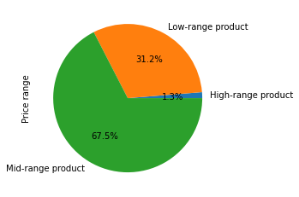

4. Are there certain types of products that are more popular than others? The marketing and sales teams want to know which departments have the highest frequency of product orders
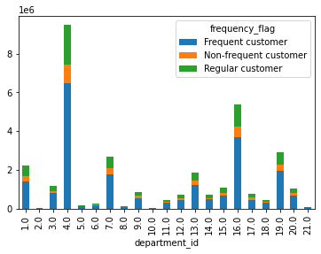
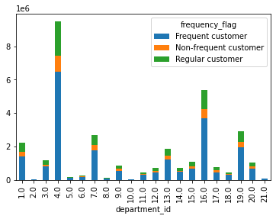

5. Whats the distribution among users in regards to their brand loyalty?

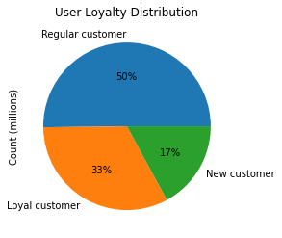
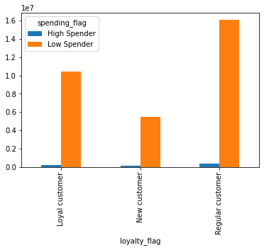

Are there differences in ordering habits based on customer's region?

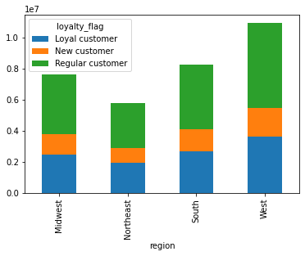

Is there a connection between age and family status in terms of ordering habits?

7. Recommendations
 | Title page

Recommendations

In this tab you should include any recommendations you would made to Instcart in terms of their marketing strategy based on the questions posed in the brief. Every key question has been covered in the Tasks of the Exercises - here you need to add an item - a visualisation or table/crosstable that is showing the answer in the data, acompanied by a comment from you. Please, list the questions below and add the answer underneath.

Question
Key Question 1: The sales team needs to know what the busiest days of the week and hours of the day are (i.e., the days and times with the most orders) in order to schedule ads at times when there are fewer orders.

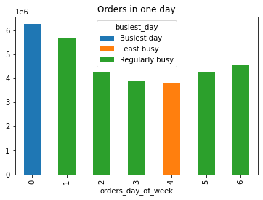

Recommendation: Since the busiest days seem to be Saturday and Sundays, instacart should focus on advertising during these days to get the maximum value. They would also benefit advertising Thursday and Friday since those are showing a spike in sales as well. With it also being the end of the week people may want to stock up on groceries over the weekend for the following work week.

Key Question 2: They also want to know whether there are particular times of the day when people spend the most money, as this might inform the type of products they advertise at these times.

Recommendation: Since most people are spending the most money between 10 and 4, it would benefit instacart to raise their prices during these hours

Key Question 3: Instacart has a lot of products with different price tags. Marketing and sales want to use simpler price range groupings to help direct their efforts.

Recommendation: Instacart can simplify the price range groupings by categorizing low, mid, and high range product based on what the customers are spending in these groupings

Key Question 4: Are there certain types of products that are more popular than others? The marketing and sales teams want to know which departments have the highest frequency of product orders.

Recommendation: Not sure why my labels didn’t show up in my graph, but looking back at the data, produce, dairy, eggs, snacks, beverages seem to be the most popular. So instacart should focus their marketing strategies on these products.

Key Question 5: What’s the distribution among users in regards to their brand loyalty (i.e., how often do they return to Instacart)?

Recommendation: Since the new customers are only at 17% when compared to the other 2 groupings, instacart should focus on marketing techniques to turn these new customers into regular and loyal customers. Possible ways are offering special discounts or coupons to new customers or reward cards.

Key Question 6: Are there differences in ordering habits based on a customers region?

Recommendation: Most of the customers that are regular or loyal customers are located in the West region. Instacart should focus on this area by possibly building more distribution centers and thus hiring more staff to keep up with the orders

Key Question 8: Is there a connection between age and family status in terms of ordering habits?
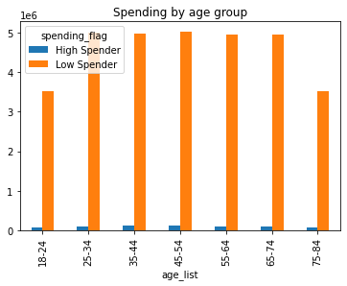
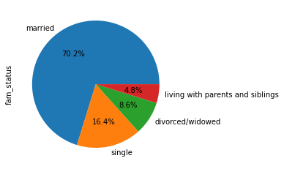

Recommendation: Most of the customers are married, the age groups between 18 and 75 are high spenders, including the married couples.

Key Question 9: What different classifications does the demographic information suggest? Age? Income? Certain types of goods? Family status?

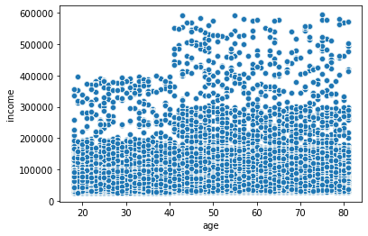

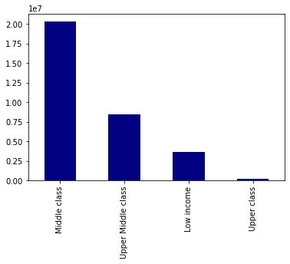

Key Question 10: What differences can you find in ordering habits of different customer profiles? Consider the price of orders, the frequency of orders, the products customers are ordering, and anything else you can think of.

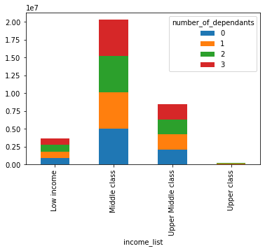
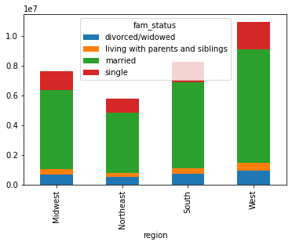

Recommendation: Customers in the middle class range with dependants tend to spend more on instacart orders than any other class. For some reason married couples in the west also tend to be big spenders on instacart for which the reason is unknown. My best guess would be that the customers don't want to spend time in their cars going for groceries, when they can be outside enjoying the west coast weather.

